EX - Risk Management Matrix
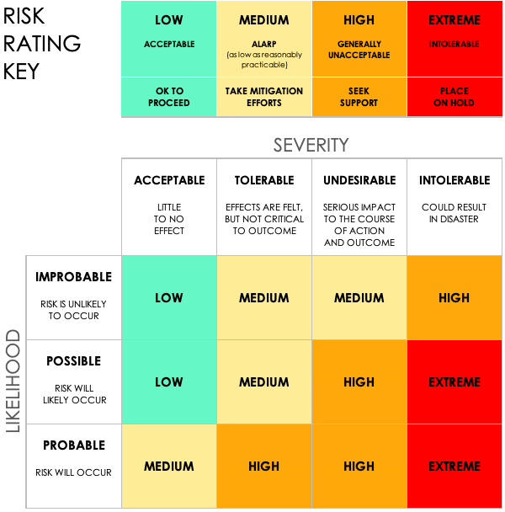
Risk Management Matrix Template
Project ID | Project Name |  |  |  |  |  |  | Project Manager

Objective

 |  |  |  | Pre-Mitigation |  |  |  | Post-Mitigation
Risk ID | Risk Title | Category | Description | Risk Severity | Risk Likelihood | Risk Level | Mitigation Strategy | Risk Severity | Risk Likelihood | Risk Level | Acceptable to Proceed?
 |  |  |  | Acceptable | Possible | Low |  | Acceptable | Improbable | Low | Yes
 |  |  |  | Tolerable | Possible | Medium |  | Acceptable | Improbable | Low | Yes
 |  |  |  | Undesirable | Probable | High |  | Tolerable | Possible | Medium | Yes
 |  |  |  | Intolerable | Probable | Extreme |  | Undesirable | Probable | High | No
 |  |  |  | Acceptable | Possible | Low |  | Acceptable | Improbable | Low | Yes
 |  |  |  | Acceptable | Improbable | Low |  | Acceptable | Improbable | Low | Yes

CLICK HERE TO CREATE IN SMARTSHEET

